Hoja 1
 |  |  |  |  |  |  |  |  |  |  | 15648
PIC | SKU | Sex | NAME | ARTICLE | DESCRIPTION | FABRICATION | GSM | GROUP | COLORCODE | COLOR | PCS. | Retail
 | V69MBAG45-901 | MEN | BENNO | V69MBAG45 | TOILETRY BAG (14 x 25,5 x 11,5 cm) | 100% Polyurethan | 500 | BAGS | 901 | BLACK | 850 | 79.90 €
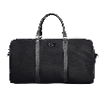 | V69MBAG46-901 | MEN | BARNARIO | V69MBAG46 | TRAVELER (49 x 28 x 22.5 cm) | 100% Polyurethan | 500 | BAGS | 901 | BLACK | 235 | 219.99 €
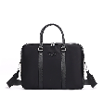 | V69MBAG47-901 | MEN | BEN | V69MBAG47 | BUSINESS(36 x 28 x 7 cm) | 100% Polyurethan | 500 | BAGS | 901 | BLACK | 614 | 179.99 €
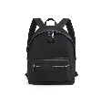 | V69MBAG48-901 | MEN | BART | V69MBAG48 | BACKPACK (30 x 42 x 14 cm) | 100% Polyurethan | 500 | BAGS | 901 | BLACK | 817 | 189.99 €
 | V69MBAG49-901 | MEN | BARDO | V69MBAG49 | LAPTOP BACKPACK (39 x 29,5 x 12 cm) | 100% Polyurethan | 500 | BAGS | 901 | BLACK | 810 | 189.90 €
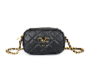 | V69WBAG01-901 | WOMEN | VIVI | V69WBAG01 | CAMERA BAG (19 x 12 x 5 cm) | 100% Polyurethan | 500 | BAGS | 901 | BLACK | 72 | 119.99 €
 | V69WBAG01-781 | WOMEN | VIVI | V69WBAG01 | CAMERA BAG (19 x 12 x 5 cm) | 100% Polyurethan | 500 | BAGS | 781 | DARK KHAKI | 230 | 119.99 €
 | V69WBAG01-621 | WOMEN | VIVI | V69WBAG01 | CAMERA BAG (19 x 12 x 5 cm) | 100% Polyurethan | 500 | BAGS | 621 | LIGHT BLUE | 151 | 119.99 €
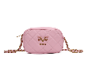 | V69WBAG01-430 | WOMEN | VIVI | V69WBAG01 | CAMERA BAG (19 x 12 x 5 cm) | 100% Polyurethan | 500 | BAGS | 430 | CANDY PINK | 149 | 119.99 €
 | V69WBAG02-781 | WOMEN | GAIA | V69WBAG02 | BAG (26 x 16 x 6 cm) | 100% Polyurethan | 500 | BAGS | 781 | DARK KHAKI | 170 | 169.99 €
 | V69WBAG02-621 | WOMEN | GAIA | V69WBAG02 | BAG (26 x 16 x 6 cm) | 100% Polyurethan | 500 | BAGS | 621 | LIGHT BLUE | 111 | 169.99 €
 | V69WBAG02-430 | WOMEN | GAIA | V69WBAG02 | BAG (26 x 16 x 6 cm) | 100% Polyurethan | 500 | BAGS | 430 | CANDY PINK | 111 | 169.99 €
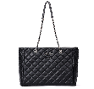 | V69WBAG04-901 | WOMEN | SILVIA | V69WBAG04 | BACKPACK (45 x 29 x 16 cm) | 100% Polyurethan | 500 | BAGS | 901 | BLACK | 57 | 189.99 €
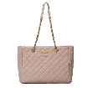 | V69WBAG04-781 | WOMEN | SILVIA | V69WBAG04 | BACKPACK (45 x 29 x 16 cm) | 100% Polyurethan | 500 | BAGS | 781 | DARK KHAKI | 86 | 189.99 €
 | V69WBAG05-101 | WOMEN | BLAIR | V69WBAG05 | BAG (26 x 16 x 5 cm) | 100% Polyurethan | 500 | BAGS | 101 | OFF-WHITE | 111 | 169.99 €
 | V69WBAG06-901 | WOMEN | BLANCH | V69WBAG06 | CAMERA BAG (23 x 16 x 6 cm) | 100% Polyurethan | 500 | BAGS | 901 | BLACK | 26 | 169.99 €
 | V69WBAG06-101 | WOMEN | BLANCH | V69WBAG06 | CAMERA BAG (23 x 16 x 6 cm) | 100% Polyurethan | 500 | BAGS | 101 | OFF-WHITE | 113 | 169.99 €
 | V69WBAG07-901 | WOMEN | BIANCA | V69WBAG07 | BAG (31 x 22 x 7.5 cm) | 100% Polyurethan | 500 | BAGS | 901 | BLACK | 155 | 179.99 €
 | V69WBAG07-400 | WOMEN | BIANCA | V69WBAG07 | BAG (31 x 22 x 7.5 cm) | 100% Polyurethan | 500 | BAGS | 400 | RED | 172 | 179.99 €
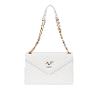 | V69WBAG07-101 | WOMEN | BIANCA | V69WBAG07 | BAG (31 x 22 x 7.5 cm) | 100% Polyurethan | 500 | BAGS | 101 | OFF-WHITE | 38 | 189.99 €
 | V69WBAG08-400 | WOMEN | BLAGICA | V69WBAG08 | SHOPPER (31 x 28 x 14 cm) | 100% Polyurethan | 500 | BAGS | 400 | RED | 229 | 179.99 €
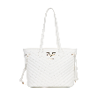 | V69WBAG08-101 | WOMEN | BLAGICA | V69WBAG08 | SHOPPER (31 x 28 x 14 cm) | 100% Polyurethan | 500 | BAGS | 101 | OFF-WHITE | 83 | 179.99 €
 | V69WBAG09-901 | WOMEN | NOEMIE | V69WBAG09 | BAG (25 x 15 x 8 cm) | 100% Polyurethan | 500 | BAGS | 901 | BLACK | 330 | 159.99 €
 | V69WBAG09-781 | WOMEN | NOEMIE | V69WBAG09 | BAG (25 x 15 x 8 cm) | 100% Polyurethan | 500 | BAGS | 781 | DARK KHAKI | 370 | 159.99 €
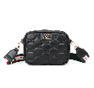 | V69WBAG10-901 | WOMEN | AMELIE | V69WBAG10 | CAMERA BAG (21.5 x 17 x 7.5 cm) | 100% Polyurethan | 500 | BAGS | 901 | BLACK | 319 | 149.99 €
 | V69WBAG10-781 | WOMEN | AMELIE | V69WBAG10 | CAMERA BAG (21.5 x 17 x 7.5 cm) | 100% Polyurethan | 500 | BAGS | 781 | DARK KHAKI | 257 | 149.99 €
 | V69WBAG11-901 | WOMEN | ELLA | V69WBAG11 | SHOPPER (31 x 27.5 x 14 cm) | 100% Polyurethan | 500 | BAGS | 901 | BLACK | 328 | 179.99 €
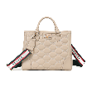 | V69WBAG11-781 | WOMEN | ELLA | V69WBAG11 | SHOPPER (31 x 27.5 x 14 cm) | 100% Polyurethan | 500 | BAGS | 781 | DARK KHAKI | 487 | 179.99 €
 | V69WBAG12-1013 | WOMEN | GABY | V69WBAG12 | MINI BAG (23 x 15 x 6 cm) | 100% Polyurethan | 500 | BAGS | 1013 | OFF WHITE/ | 102 | 169.99 €
 | V69WBAG12-1012 | WOMEN | GABY | V69WBAG12 | MINI BAG (23 x 15 x 6 cm) | 100% Polyurethan | 500 | BAGS | 1012 | OFFWHITE/P | 142 | 169.99 €
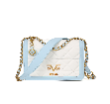 | V69WBAG12-1011 | WOMEN | GABY | V69WBAG12 | MINI BAG (23 x 15 x 6 cm) | 100% Polyurethan | 500 | BAGS | 1011 | OFF WHITE | 132 | 169.99 €
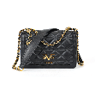 | V69WBAG12-901 | WOMEN | GABY | V69WBAG12 | MINI BAG (23 x 15 x 6 cm) | 100% Polyurethan | 500 | BAGS | 901 | BLACK | 0 | 169.99 €
 | V69WBAG13-1013 | WOMEN | ALICIA | V69WBAG13 | BAG (31 x 20.6 x 13.5 cm) | 100% Polyurethan | 500 | BAGS | 1013 | OFF WHITE/ | 122 | 179.99 €
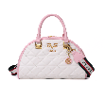 | V69WBAG13-1012 | WOMEN | ALICIA | V69WBAG13 | BAG (31 x 20.6 x 13.5 cm) | 100% Polyurethan | 500 | BAGS | 1012 | OFFWHITE/P | 74 | 179.99 €
 | V69WBAG13-1011 | WOMEN | ALICIA | V69WBAG13 | BAG (31 x 20.6 x 13.5 cm) | 100% Polyurethan | 500 | BAGS | 1011 | OFF WHITE | 142 | 179.99 €
 | V69WBAG13-901 | WOMEN | ALICIA | V69WBAG13 | BAG (31 x 20.6 x 13.5 cm) | 100% Polyurethan | 500 | BAGS | 901 | BLACK | 82 | 179.99 €
 | V69WBAG14-1012 | WOMEN | LOU | V69WBAG14 | SHOPPER (45 x 30 x 16 cm) | 100% Polyurethan | 500 | BAGS | 1012 | OFFWHITE/P | 142 | 189.99 €
 | V69WBAG14-1011 | WOMEN | LOU | V69WBAG14 | SHOPPER (45 x 30 x 16 cm) | 100% Polyurethan | 500 | BAGS | 1011 | OFF WHITE | 232 | 189.99 €
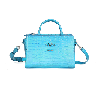 | V69WBAG15-600 | WOMEN | LISA | V69WBAG15 | BAG (29 x 21 x 12 cm) | 100% Polyurethan | 500 | BAGS | 600 | BLUE | 231 | 179.99 €
 | V69WBAG15-504 | WOMEN | LISA | V69WBAG15 | BAG (29 x 21 x 12 cm) | 100% Polyurethan | 500 | BAGS | 504 | LIGHT GREE | 231 | 179.99 €
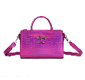 | V69WBAG15-431 | WOMEN | LISA | V69WBAG15 | BAG (29 x 21 x 12 cm) | 100% Polyurethan | 500 | BAGS | 431 | HOT PINK | 231 | 179.99 €
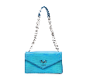 | V69WBAG16-600 | WOMEN | BLAIR | V69WBAG16 | BAG (26 x 16 x 5 cm) | 100% Polyurethan | 500 | BAGS | 600 | BLUE | 231 | 169.99 €
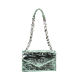 | V69WBAG16-504 | WOMEN | BLAIR | V69WBAG16 | BAG (26 x 16 x 5 cm) | 100% Polyurethan | 500 | BAGS | 504 | LIGHT GREE | 231 | 169.99 €
 | V69WBAG16-431 | WOMEN | BLAIR | V69WBAG16 | BAG (26 x 16 x 5 cm) | 100% Polyurethan | 500 | BAGS | 431 | HOT PINK | 231 | 169.99 €
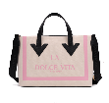 | V69WBAG17-430 | WOMEN | ADA | V69WBAG17 | BAG (42 x 38 x 28 x 14 cm) | 100% Polyurethan | 500 | BAGS | 430 | CANDY PINK | 14 | 179.99 €
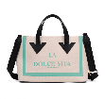 | V69WBAG17-102 | WOMEN | ADA | V69WBAG17 | BAG (42 x 38 x 28 x 14 cm) | 100% Polyurethan | 500 | BAGS | 102 | ICECREAM | 44 | 179.99 €
 | V69WBAG18-901 | WOMEN | DIDA | V69WBAG18 | BAG (37 x 23 x 13 cm) | 100% Polyurethan | 500 | BAGS | 901 | BLACK | 102 | 179.99 €
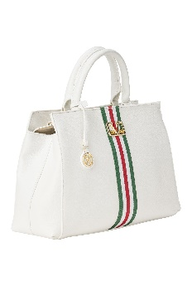 | V69WBAG18-101 | WOMEN | DIDA | V69WBAG18 | BAG (37 x 23 x 13 cm) | 100% Polyurethan | 500 | BAGS | 101 | OFF-WHITE | 172 | 179.99 €
 | V69WBAG19-550 | WOMEN | FILIA | V69WBAG19 | BAG (30 x 19 x 15 cm) | 100% Polyurethan | 500 | BAGS | 550 | MILITARY G | 191 | 169.99 €
 | V69WBAG19-101 | WOMEN | FILIA | V69WBAG19 | BAG (30 x 19 x 15 cm) | 100% Polyurethan | 500 | BAGS | 101 | OFF-WHITE | 200 | 169.99 €
 | V69WBAG20-550 | WOMEN | BRITTA | V69WBAG20 | BAG (23 x 15 x 6 cm) | 100% Polyurethan | 500 | BAGS | 550 | MILITARY G | 163 | 159.99 €
 | V69WBAG24-781 | WOMEN | ENISE | V69WBAG24 | SHOPPER (44 x 33 x 12 cm) | 100% Polyurethan | 500 | BAGS | 781 | DARK KHAKI | 158 | 189.99 €
 | V69WBAG24-620 | WOMEN | ENISE | V69WBAG24 | SHOPPER (44 x 33 x 12 cm) | 100% Polyurethan | 500 | BAGS | 620 | LIGHT BLUE | 220 | 189.99 €
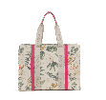 | V69WBAG24-425 | WOMEN | ENISE | V69WBAG24 | SHOPPER (44 x 33 x 12 cm) | 100% Polyurethan | 500 | BAGS | 425 | PINK PEACO | 215 | 189.99 €
 | V69WBAG25-781 | WOMEN | ABBIE | V69WBAG25 | SHOPPER (36 x 29 x 12 cm) | 100% Polyurethan | 500 | BAGS | 781 | DARK KHAKI | 158 | 159.99 €
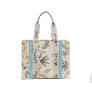 | V69WBAG25-620 | WOMEN | ABBIE | V69WBAG25 | SHOPPER (36 x 29 x 12 cm) | 100% Polyurethan | 500 | BAGS | 620 | LIGHT BLUE | 117 | 169.99 €
 | V69WBAG25-425 | WOMEN | ABBIE | V69WBAG25 | SHOPPER (36 x 29 x 12 cm) | 100% Polyurethan | 500 | BAGS | 425 | PINK PEACO | 119 | 189.99 €
 | V69WBAG29-781 | WOMEN | YOKO | V69WBAG29 | HANDEL BAG (25 x 16 x 9 cm) | 100% Polyurethan | 500 | BAGS | 781 | DARK KHAKI | 24 | 179.99 €
 | V69WBAG29-650 | WOMEN | YOKO | V69WBAG29 | HANDEL BAG (25 x 16 x 9 cm) | 100% Polyurethan | 500 | BAGS | 650 | GREY | 141 | 179.99 €
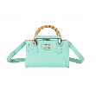 | V69WBAG29-621 | WOMEN | YOKO | V69WBAG29 | HANDEL BAG (25 x 16 x 9 cm) | 100% Polyurethan | 500 | BAGS | 621 | LIGHT BLUE | 103 | 179.99 €
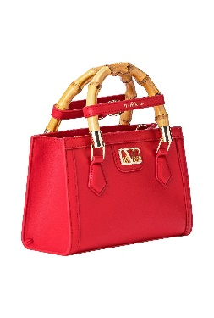 | V69WBAG29-400 | WOMEN | YOKO | V69WBAG29 | HANDEL BAG (25 x 16 x 9 cm) | 100% Polyurethan | 500 | BAGS | 400 | RED | 103 | 179.99 €
 | V69WBAG30-650 | WOMEN | FREDA | V69WBAG30 | HANDEL BAG (28 x 24 x 11.5 cm) | 100% Polyurethan | 500 | BAGS | 650 | GREY | 142 | 189.99 €
 | V69WBAG30-621 | WOMEN | FREDA | V69WBAG30 | HANDEL BAG (28 x 24 x 11.5 cm) | 100% Polyurethan | 500 | BAGS | 621 | LIGHT BLUE | 95 | 189.99 €
 | V69WBAG30-400 | WOMEN | FREDA | V69WBAG30 | HANDEL BAG (28 x 24 x 11.5 cm) | 100% Polyurethan | 500 | BAGS | 400 | RED | 85 | 189.99 €
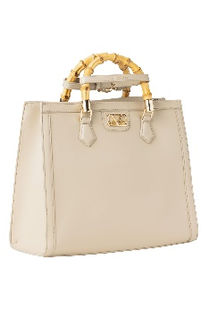 | V69WBAG31-850 | WOMEN | HEIDI | V69WBAG31 | HANDEL BAG (25 x 16 x 9 cm) | 100% Polyurethan | 500 | BAGS | 850 | GREY | 47 | 199.99 €
 | V69WBAG31-621 | WOMEN | HEIDI | V69WBAG31 | HANDEL BAG (25 x 16 x 9 cm) | 100% Polyurethan | 500 | BAGS | 621 | LIGHT BLUE | 95 | 199.99 €
 | V69WBAG31-400 | WOMEN | HEIDI | V69WBAG31 | HANDEL BAG (25 x 16 x 9 cm) | 100% Polyurethan | 500 | BAGS | 400 | RED | 86 | 199.99 €
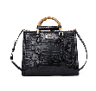 | V69WBAG34-901 | WOMEN | MEI | V69WBAG34 | HANDEL BAG (35 x 28 x 14 cm) | 100% Polyurethan | 500 | BAGS | 901 | BLACK | 192 | 199.99 €
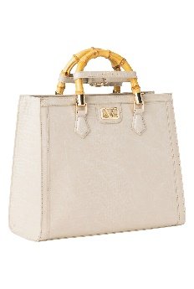 | V69WBAG34-850 | WOMEN | MEI | V69WBAG34 | HANDEL BAG (35 x 28 x 14 cm) | 100% Polyurethan | 500 | BAGS | 850 | GREY | 206 | 199.99 €
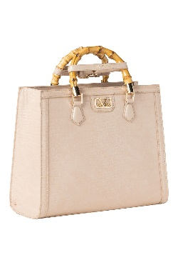 | V69WBAG34-781 | WOMEN | MEI | V69WBAG34 | HANDEL BAG (35 x 28 x 14 cm) | 100% Polyurethan | 500 | BAGS | 781 | DARK KHAKI | 45 | 199.99 €
 | V69WBAG35-901 | WOMEN | COCO | V69WBAG35 | HANDEL BAG (24 x 15 x 5 cm) | 100% Polyurethan | 500 | BAGS | 901 | BLACK | 17 | 169.99 €
 | V69WBAG35-781 | WOMEN | COCO | V69WBAG35 | HANDEL BAG (24 x 15 x 5 cm) | 100% Polyurethan | 500 | BAGS | 781 | DARK KHAKI | 5 | 169.99 €
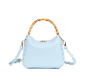 | V69WBAG35-621 | WOMEN | COCO | V69WBAG35 | HANDEL BAG (24 x 15 x 5 cm) | 100% Polyurethan | 500 | BAGS | 621 | LIGHT BLUE | 55 | 169.99 €
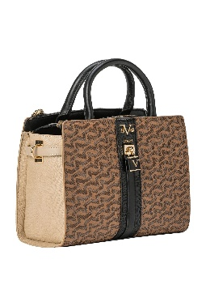 | V69WBAG39-MIX 4 | WOMEN | LISA | V69WBAG39 | BAG (29 x 21 x 12 cm) | 100% Polyurethan | 500 | BAGS | MIX 4 | COLOR D | 67 | 179.99 €
 | V69WBAG39-MIX 3 | WOMEN | LISA | V69WBAG39 | BAG (29 x 21 x 12 cm) | 100% Polyurethan | 500 | BAGS | MIX 3 | COLOR C | 122 | 179.99 €
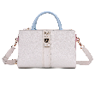 | V69WBAG39-MIX 2 | WOMEN | LISA | V69WBAG39 | BAG (29 x 21 x 12 cm) | 100% Polyurethan | 500 | BAGS | MIX 2 | COLOR B | 122 | 179.99 €
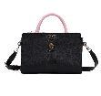 | V69WBAG39-MIX 1 | WOMEN | LISA | V69WBAG39 | BAG (29 x 21 x 12 cm) | 100% Polyurethan | 500 | BAGS | MIX 1 | COLOR A | 147 | 179.99 €
 | V69WBAG41-MIX 2 | WOMEN | ROBI | V69WBAG41 | BACKPACK (24.1 x 31.8 x 12.7 cm) | 100% Polyurethan | 500 | BAGS | MIX 2 | COLOR B | 167 | 189.99 €
 | V69WBAG42-MIX 4 | WOMEN | KIMBERLEY | V69WBAG42 | BAG (34 x 26 x 10 cm) | 100% Polyurethan | 500 | BAGS | MIX 4 | COLOR D | 97 | 179.99 €
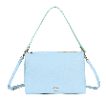 | V69WBAG42-MIX 3 | WOMEN | KIMBERLEY | V69WBAG42 | BAG (34 x 26 x 10 cm) | 100% Polyurethan | 500 | BAGS | MIX 3 | COLOR C | 142 | 179.99 €
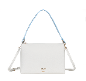 | V69WBAG42-MIX 2 | WOMEN | KIMBERLEY | V69WBAG42 | BAG (34 x 26 x 10 cm) | 100% Polyurethan | 500 | BAGS | MIX 2 | COLOR B | 208 | 179.99 €
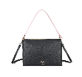 | V69WBAG42-MIX 1 | WOMEN | KIMBERLEY | V69WBAG42 | BAG (34 x 26 x 10 cm) | 100% Polyurethan | 500 | BAGS | MIX 1 | COLOR A | 200 | 179.99 €
 | V69WBAG43-MIX 5 | WOMEN | BILLIE | V69WBAG43 | BAG (22 x 17 x 7 cm) | 100% Polyurethan | 500 | BAGS | MIX 5 | COLOR E | 0 | 159.99 €
 | V69WBAG43-MIX 4 | WOMEN | BILLIE | V69WBAG43 | BAG (22 x 17 x 7 cm) | 100% Polyurethan | 500 | BAGS | MIX 4 | COLOR D | 62 | 159.99 €
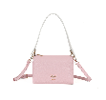 | V69WBAG43-MIX 3 | WOMEN | BILLIE | V69WBAG43 | BAG (22 x 17 x 7 cm) | 100% Polyurethan | 500 | BAGS | MIX 3 | COLOR C | 67 | 159.99 €
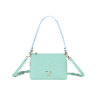 | V69WBAG43-MIX 1 | WOMEN | BILLIE | V69WBAG43 | BAG (22 x 17 x 7 cm) | 100% Polyurethan | 500 | BAGS | MIX 1 | COLOR A | 101 | 159.99 €
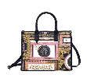 | V69WBAG44-10 | WOMEN | KARIMA | V69WBAG44 | SHOPPER (30 x 25 x 12.5 cm) | 100% Polyurethan | 500 | BAGS | 10 | AOP BAROQU | 268 | 179.99 €
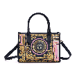 | V69WBAG45-10 | WOMEN | MALIKA | V69WBAG45 | SHOPPER (24 x 18 x 10 cm) | 100% Polyurethan | 500 | BAGS | 10 | AOP BAROQU | 219 | 159.99 €
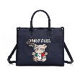 | V69WBAG46-901 | WOMEN | LINA | V69WBAG46 | SHOPPER (30 x 25 x 12.5 cm) | 100% Polyurethan | 500 | BAGS | 901 | BLACK | 308 | 179.99 €

